Sidewalk Bracket Rating
CLIENT | City of Lowell |  |  |  | STV Incorporated |  |  |  | CLIENT | City of Lowell |  |  |  | STV Incorporated |  |  |  | CLIENT | City of Lowell |  |  |  | STV Incorporated |  |  |  | CLIENT | City of Lowell |  |  |  | STV Incorporated
PROJECT | University Ave, Lowell, Bridge |  |  |  | MADE | CHK. | REV. | 4014312 | PROJECT | University Ave, Lowell, Bridge |  |  |  | MADE | CHK. | REV. | 4014312 | PROJECT | University Ave, Lowell, Bridge |  |  |  | MADE | CHK. | REV. | 4014312 | PROJECT | University Ave, Lowell, Bridge |  |  |  | MADE | CHK. | REV. | 4014312
SUBJECT | Rating of Fascia Stringer |  |  |  | ARG |  |  | SHT # 1 /4 | SUBJECT | Rating of Fascia Stringer |  |  |  | ARG |  |  | SHT # 2 /4 | SUBJECT | Rating of Fascia Stringer |  |  |  | ARG |  |  | SHT # 3 /4 | SUBJECT | Rating of Fascia Stringer |  |  |  | ARG |  |  | SHT # 4 /4
 | Typical Sidewalk Bracket |  |  |  | 2016-04-11 |  |  |  |  | Typical Sidewalk Bracket |  |  |  | 2016-04-11 |  |  |  |  | Typical Sidewalk Bracket |  |  |  | 2016-04-11 |  |  |  |  | Typical Sidewalk Bracket |  |  |  | 2016-04-11

 |  |  |  | Rating of Sidewalk Bracket |  | BR1 |  |  | 2. | Loading |  |  |  |  |  |  |  |  | Stresses |  |  |  |  | Ref.
 |  |  |  |  |  |  |  |  |  |  |  |  |  |  |  |  |  |  |  |  |  |  |  |  |  |  | 5. | LFD Rating
Typical Brackets are W30x90 with a 3'-2" length. On the north abutment, the extended cantilever bracket has a total length of 6'-5 7/8", being this the controlling bracket in this rating. |  |  |  |  |  |  |  |  | 2.4. | Live Load |  |  |  |  |  |  |  |  | fy= | 50 | ksi
 |  |  |  |  |  |  |  |  |  |  |  |  |  |  |  |  |  |  | Inventory flexure fy= | 27.5 | ksi |  |  |  |  |  |  | For LFD Operating Rating
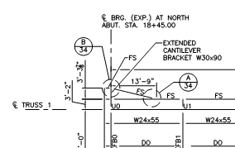
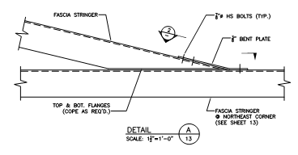
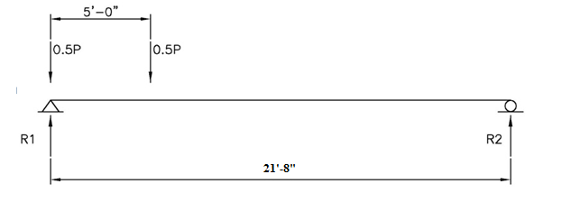
 |  |  |  |  |  |  |  |  |  |  |  |  |  |  |  |  |  |  | Operating flexure fy= | 37.5 | ksi
 |  |  |  |  |  |  |  |  |  |  |  |  |  |  |  |  |  |  | Inventory shear fv= | 16.5 | ksi |  |  |  |  |  |  | A1 = A2 = | 1.3
 |  |  |  |  |  |  |  |  |  |  |  |  |  |  |  |  |  |  | Operating shear fv= | 22.5 | ksi
 |  |  |  |  |  |  |  |  |  |  |  |  |  |  |  |  |  |  |  |  |  |  |  |  |  |  | 5.1. | LFD Operating Rating Flexure
 |  |  |  |  |  |  |  |  |  |  |  |  |  |  |  |  |  |  | Capacity of the section in flexure, C=fy*S |  |  |  |  | C=fy*S
 |  |  |  |  |  |  |  |  |  |  |  |  |  |  |  |  |  |  | Inventory = | 561.46 | kip-ft
 |  |  |  |  |  |  |  |  |  |  |  |  |  |  |  |  |  |  | Operating = | 765.63 | kip-ft |  |  |  |  |  |  | RF = | 765.63-1.3*9.84 |  | = | 6.075
 |  |  |  |  |  |  |  |  |  |  |  |  |  |  |  |  |  |  |  |  |  |  |  |  |  |  |  |  | 1.3*95.33*(1+0)
 |  |  |  |  |  |  |  |  |  |  | Figure 28. | Stringer length with live load |  |  |  |  |  |  | Capacity of the section in shear, C-fv*Aw |  |  |  |  | C=fv*Aw
 |  |  |  |  | Figure 25. | Detail A - Sheet 34 |  |  |  |  |  |  |  |  |  |  |  |  | Inventory = | 219.31 | kip |  |  |  |  |  | 5.2. | LFD Operating Rating Shear
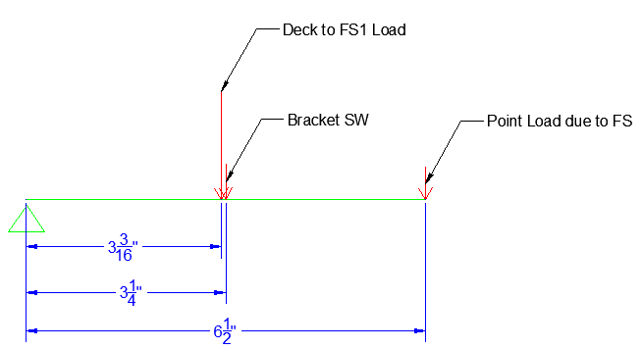
Figure 24. | Deck Framing Plan - Span 1 |  |  |  |  |  |  |  |  |  | Conservatively place the whole load on one stringer |  |  |  |  |  |  |  | Operating = | 299.06 | kip
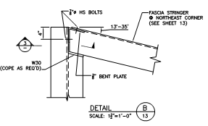
 |  |  |  |  |  |  |  |  |  |  | MLL= | ((21'-8")/2)*8.8 kips = |  | 95.33 | kip-ft |  |  |  |  |  |  |  |  |  |  |  |  | RF = | 299.06-1.3*2.54 |  | = | 25.853
 |  |  |  |  |  |  |  |  |  |  | VLL= |  |  | 8.8 | kip |  |  | 4. | ASD Rating |  |  |  |  |  |  |  |  |  | 1.3*8.80*(1+0)

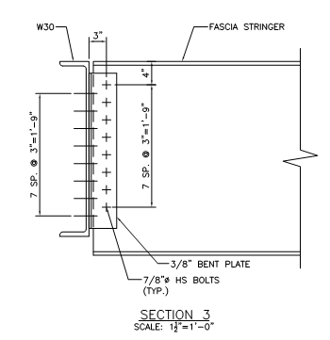
 |  |  |  |  |  |  |  |  | 3. | Capacity |  |  |  |  |  |  |  |  | General Rating Equation
 |  |  |  |  |  |  |  |  |  |  |  |  |  |  |  |  |  |  |  |  |  |  |  |  |  |  | 6. | Rating Summary
 |  |  |  |  |  |  |  |  |  | Determine Sidewalk Bracket Capacity |  |  |  |  |  |  |  |  | RF = | C-A1D
 |  |  |  |  |  |  |  |  |  |  |  |  |  |  |  |  |  |  |  | A2L(1+I) |  |  |  |  |  |  |  | ASD RF= | 7.928 |  |  | LFD RF= | 6.075
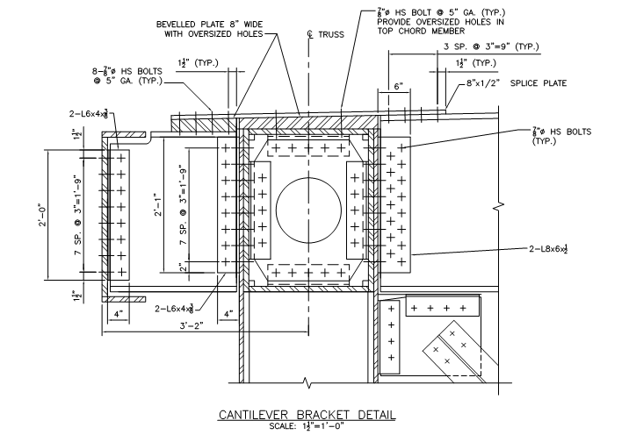
 |  |  |  |  |  |  |  |  |  |  |  |  |  |  |  |  |  |  |  |  |  |  |  |  |  |  |  | ASD Rating= | 34.88 | ton |  | LFD Rating= | 26.73 | ton
 |  |  |  |  |  |  |  |  |  |  |  |  |  |  |  |  |  |  | For ASD Rating A1=A2= |  |  | 1.00
Figure 26. | Detail B - Sheet 34
 |  |  |  |  | Figure 27. | Bracket Loading |  |  |  |  |  |  |  |  |  |  |  |  | According to 3.8.1.1 Impact should not be included for sidewalk loads

1. | Member and Material Properies |  |  |  |  | Ref. |  |  |  |  |  |  |  |  |  |  |  | 4.1. | ASD Operating Rating Flexure

 | L= | 6.49 | ft |  |  | Deck Framing Plan
 | fy= | 50.00 | ksi |  |  |  |  |  |  |  |  |  |  |  |  |  |  |  | RF = | 765.63-1.0*9.84 |  | = | 7.928
 | Weight W = | 0.00 | kip/ft |  |  |  |  |  |  |  |  |  |  |  |  |  |  |  |  | 1.0*95.33*(1+0)

2. | Loading |  |  |  |  |  |  |  |  | Figure 29. | Cantilever Bracket Detail |  |  | Figure 30. | Cantilever Bracket End Section |  |  | 4.2. | ASD Operating Rating Shear

2.1. | Dead Load |  |  |  |  |  |  |  |  | Section Properties: |  |  |  |  |  |  |  |  | RF = | 299.06-1.0*2.54 |  | = | 33.695
 |  |  |  |  |  |  |  |  |  |  |  |  |  |  |  |  |  |  |  | 1*8.80*(1+0)
 | Deck to FS1 = | 2.0 | kip |  |  | As previous calculated |  |  |  | Area of Web | Aw = | 13.2916 | in2
 | Bracket SW = | 0.00 | kip |  |  | Located at Mid-span |  |  |  | Section Area | A= | 26.3 | in2
 | Fascia Stringer 2 = | 0.53 | kip |  |  | Given additional FS on North Abut. |  |  |  | Moment of Inertia | I= | 3610 | in4
 | ΣVDL= | 2.5 | kip |  |  |  |  |  |  | Section Modulus | S= | 245.00 | in3
 | ΣMDL= | 9.8 | kip-ft

FS1 | Weight = | 0.075 | kip/ft |  |  | Based on Summary Sheet Info
 | FS2 Tributary Length = | 7.1 | ft

 |  |  |  | 86 |  |  |  |  |  |  |  |  | 87 |  |  |  |  |  |  |  |  | 88 |  |  |  |  |  |  |  |  | 89

